SAMPLE
SL.No | EXP_NO | *ADSCODE | *EXP Serial | *EXP Year | Frieght Amount | Insurance Amount | Other Charges | *Custom Office | *Bill of Export Number (Number Only) | *Bill of Export Date | *Shipment Date | *Acknowledge/Duplicate Date | *Transport Doc Type | *Transport Doc No | *Transport Document Date | *Invoice No | *Invoice Date | Remarks
1 | 00001886-000001-2024 | 00001886 | 000001 | 2024 |  |  |  | 601-Benapole Custom House |  |  |  | 2-Jan-2025 | Bill of Lading (B/L) |  |  |  |  | APPLY | * IF WE WRITE "APPLY" IN TO REMARKS COLUMN (S) DUP WILL BE SUBMITTED
2 | 1886-000002-2024 | 1886 | 000002 | 2024 |  |  |  |  |  |  |  | 2-Jan-2025 |  |  |  |  |  | APPLY
 |  |  |  |  |  |  |  |  |  |  |  |  |  |  |  |  |  | APPLY | *TRANSPORT DOC TYPE WRITING MOOD: Bill of Lading (B/L) OR FCR
 |  |  |  |  |  |  |  |  |  |  |  |  |  |  |  |  |  | APPLY
 |  |  |  |  |  |  |  |  |  |  |  |  |  |  |  |  |  | APPLY
 |  |  |  |  |  |  |  |  |  |  |  |  |  |  |  |  |  | APPLY

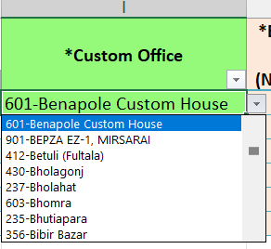
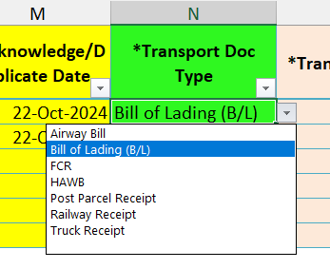
 | WRITE THIS WAY |  |  | COLOR CODE |  |  |  | THIS IS DROP DOWN FIELD |  |  |  | THIS IS DROPDOWN LIST
 | 00001886-000001-2024 | 20 DEGIT |  |  | MUST BE FILLED UP
 | 000018860000012024 | 18 DEGIT |  |  | DON'T WRITE HERE
 | 1886-000002-2024 | 16 DEGIT |  |  | DROP DOWN HERE

